1.5 Lending Rate
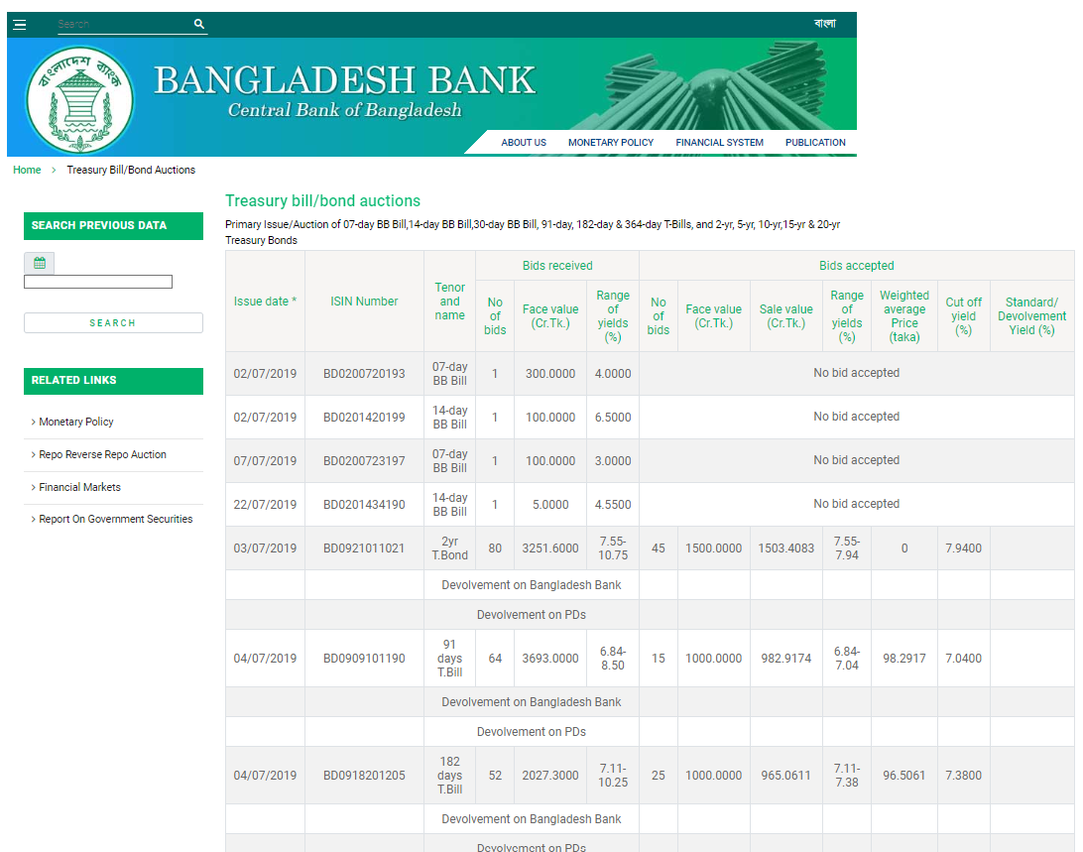
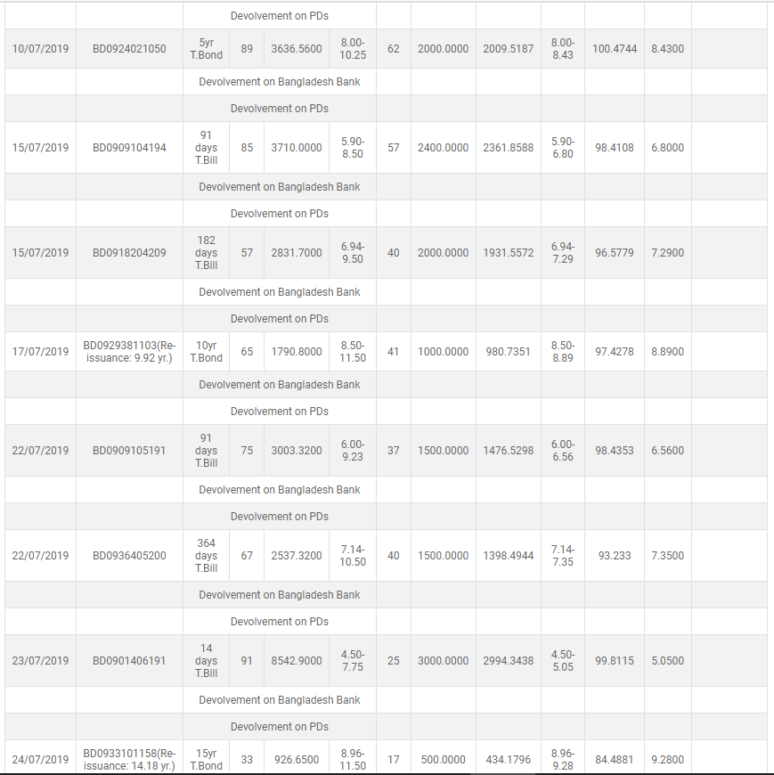
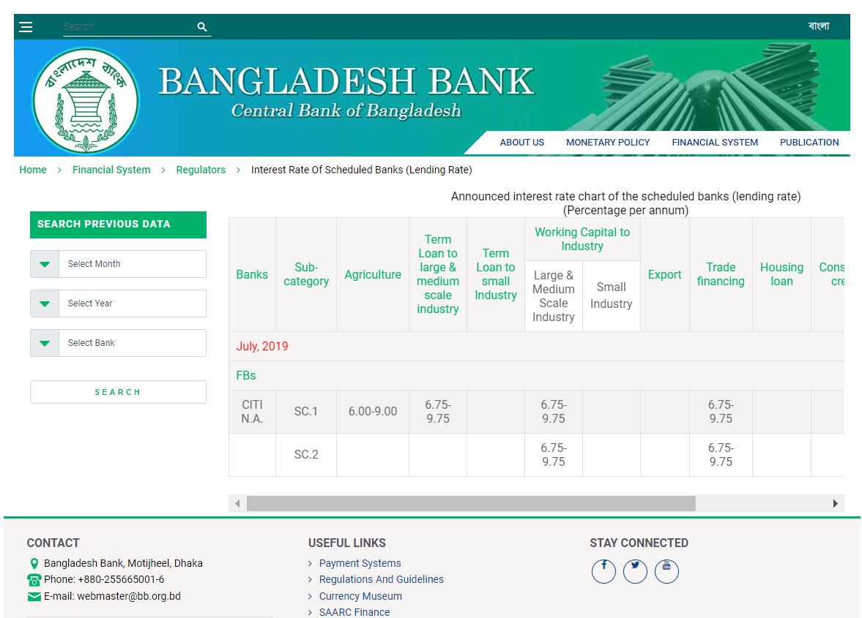
Particulars | Rate
5 Year's Treasury Rate | 8.00%
Adjustment for Financing Factors:
Credit Risk Premium (Spread) | 1.25%
Liquidity Risk Premium (Spread) | 1.00%
Adjustment for Assets Factors:
Collateral Quality | -2.50%
Incremental Borrowing Rate | 7.75%

Justification(s) of Fixing the Rate
1) There is no internal guidance/policy/SOP of EPIC regarding accounting of Lease.
2) In absense of internal guidance/policy/SOP, we have considered to determine incremental borrowing rate as per guideline of IFRS 16.
3) Determined incremental borrowing rate (7.75%) is witihin range of scheduled rate of Citi NA (Bank of the company for the time being).

